UV_en
 |  |  |  |  |  | UV T fastener quantity calculator_V1.00
 |  | UV T FASTENER QUANTITY CALCULATION

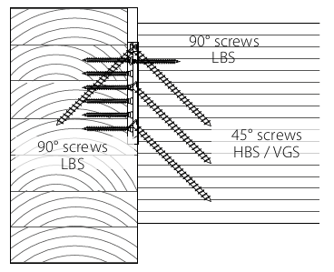
 | CONNECTOR |  | UVT60115

 | SCREW 90° -LBS Ø5 |  | LBS 5,0x60 - LBS560

 | SCREW 45° |  | VGS 6,0x160 - VGS6160

 | FASTENER PATTERN |  | TOTAL

NUMBER OF CONNECTIONS |  |  | 8

 |  |  | ITEM | CODE | TOT. [pcs]
 |  |  | UVT60115 | UVT60115 | 8
 |  |  | LBS 5,0x60 | LBS560 | 136
 |  |  | VGS 6,0x160 | VGS6160 | 56
 |  |  | - | - | -

GENERAL NOTES:
1. The information and calculations provided in this Excel tool are intended to be used for general purposes. Rothoblaas aims to keep all information current and complete but can not make warranties or assume liability through the use of this tool.
2. Rothoblaas reserves the right to update or change calculations methods, designs, or models without notice or liability. Visit www.rothoblaas.com for the most up-to-date design resources.
3. All images are provided for reference only and actual conditions may vary on site.

