General conditions
 |  |  | GIRAFFE_CALCULATOR v1.0 | Language
 |  |  |  | EN

 |  |  | GIRAFFE CALCULATOR
 |  | GENERAL TERMS AND CONDITIONS OF THE LICENSE AGREEMENT FOR THE USE OF THE SPREADSHEET "GIRAFFE_CALCULATOR"

ACCEPT

 | 1. SUBJECT

 |  | With these General Terms and Conditions (or "Agreement"), ROTHO BLAAS SRL, with registered office at I-39040 Cortaccia (BZ), Via dell'Adige 2/1 (hereinafter "RB") grants the user the non-exclusive and revocable right to use the spreadsheet (hereinafter "XLS") free of charge under the following conditions and during the term of this Agreement. In any case, RB does not guarantee the legal and design conformity of the calculations, as RB intends to provide only an indicative calculation tool to be considered as a technical-commercial service within the sales activity. XLS allows the user to perform static calculations only for the products and materials indicated in each of its sections. This Agreement expressly prohibits to use XLS to manufacture products that are not indicated. This Agreement therefore governs the relationship between the User and RB with respect to the use of this spreadsheet. By downloading and using XLS, the user accepts this Agreement and the conditions set out herein.

 | 2. TECHNICAL-STANDARDS REFERENCES

 |  | RB carried out the checks according to the Limit State method in accordance with with EN 1995:2014, EN 1993:2005 and in accordance with the ETA-11/0030 certificate and the tests carried out; they refer exclusively to the assembly support, type of fastening and angle of inclination indicated.

 | 3. RB RIGHTS AND OBLIGATIONS

 |  | RB: a) makes available XLS to the User free of charge, as it is; b) does not provide the user with any technical support for using XLS; c) does not guarantee that XLS complies with the regulations in force or with the calculations design made using it. In particular, as a result of changes to the relevant provisions, such as standards, approvals, etc., the spreadsheet may become invalid in part or in full. d) while reserving the right to update, revise and develop XLS, RB does not assume any obligation towards the user to verify, correct, complete or update the spreadsheet and/or make the updates available to the user.

 | 4. USER RIGHTS AND OBLIGATIONS

 |  | The User declares to use the spreadsheet as a professional excluding any use as a consumer, and to always comply with the following obligations and prohibitions: a) obligation and responsibility to verify that XLS meets the specific needs and that it is compatible with the hardware-software-systems; b) obligation to verify, for each use, the compliance of the calculations made through XLS to the regulations in force and to the project; c) obligation to verify the legal compliance of the calculations made through the Software; d) obligation to use the latest version of XLS made available by the RB contact person, checking at each use for any updates that have occurred; e) prohibition to use XLS for products not indicated in each calculation section; f) obligation to use updated antivirus software that complies with the industry standard in force; g) obligation not to assign the licence to use XLS to third parties and/or in any other way transfer, pledge or lease, rent or share with others or sublicense the rights to use the spreadsheet; h) prohibition to modify or vary XLS in any way, including through third parties. The user commits himself to ask the RB contact person for the last version of the XLS.

 | 5. COPYRIGHTS

 |  | The copyrights on the formulations referred to in the spreadsheet and all the intellectual and industrial property rights underlying them (such as, but not limited to: trademarks, patents, trade secrets, know-how, confidential information) are and remain the exclusive property of RB. This agreement does not transfer any of the above rights to the user.

 | 6. DURATION, WITHDRAWAL AND TERMINATION

 |  | These general conditions and, consequently, the licence to use the spreadsheet, are valid from the moment of downloading it until the termination of its use. The user may withdraw from this Agreement at any time by deleting the XLS and all copies from its systems. RB may withdraw from this Agreement and deactivate the service in the event of a breach of any of the provisions governing the license of use. In the event that RB notifies its termination, the user shall remove the spreadsheet and any copies thereof from its systems.

 | 7. RESPONSIBILITY

 |  | The user is solely responsible for the use of XLS, including, but not limited to, all calculations, printouts, export data made with it and/or for entry errors, protection of data files and maintenance and in general for any use of the spreadsheet. RB does not guarantee and in no case can be held responsible for damages, losses and costs or other consequences, for any reason (warranty for defects, warranty for malfunction, product or legal responsibility, etc.) deriving from: • use of XLS, calculations made, compliance with current legislation, with the design or other User needs; • hardware and software compatibility, viruses, malfunctions, defects, errors or gaps; • failure to update the spreadsheet and/or interruption of the availability of the spreadsheet and/or termination of the agreement for any reason; • infringement of intellectual property rights of third parties. The user confirms to have understood and accepted the disclaimers and limitations of liability and claim of this Agreement. The user also confirms that the spreadsheet is available for free, that the exclusions and limitations are fundamental elements of this Agreement and that RB does not make its spreadsheet available to the user if the exclusions or limitations are deleted or modified in favour of the user.

 | 8. REFUND

 |  | The user agrees to indemnify and hold harmless RB, its subsidiaries and its or its officers, directors, employees, successors and appointees (each individually, ""Beneficiary"", collectively, the ""Beneficiaries"") for the costs incurred in relation to claims made by third parties for damages or losses deriving from the use of the spreadsheet by the user (including, but not limited to, fees and management costs incurred by RB).

 | 9. MISCELLANEOUS

 |  | As indicated on the German version of ALUMEGA technical data sheet, VGU is not available on the German market, where ALUMEGA can be sold only in combination with VGU DE. These general conditions constitute the entire agreement between RB and the user regarding the subject matter and replace all previous, oral or written agreements, as well as any agreements between RB and the user.

 | 10. LANGUAGE

 |  | In the event of differences between versions of these conditions in the various languages, the English text is binding and takes precedence with respect to the translations.

 | 11. APPLICABLE LAW AND COURT OF JURISDICTION

 |  | This agreement and any relationship between the parties is governed exclusively by the Italian law. Any dispute that may arise between the parties in relation to this agreement, that cannot be resolved amicably, shall be brought before the court of Bolzano.

 | 12. PRIVACY

 |  | Refer to the privacy policy available at the link:
 |  | https://www.rothoblaas.com/privacy-policy

ACCEPT

Design
Project Informations

Data |  | abcde
Project |  | abcde
Wall number/code |  | abcde

Design loads |  |  |  |  | (reverse wind direction)

Ultimate wind load |  | pult | 0.5 | kPa | -0.50 | kPa | kN/m2

The wind load must be calculated according to the local standard used for the project .
It is required to include the load with the right safety factores according to local standard.
...
Height |  | a | 1.8 | m | 1.8 | m
Spacing |  | s | 3 | m | 3 | m

Reactions

A (horizontal) |  |  | 0.75 | kN | -0.75 | kN
A (vertical) |  |  | 6.50 | kN | -6.50 | kN
B (horizontal) |  |  | 3.75 | kN | -3.75 | kN
B (vertical) |  |  | 6.50 | kN | -6.50 | kN
C (horizontal) |  |  | 3.75 | kN | -3.75 | kN
C (vertical) |  |  | 6.50 | kN | -6.50 | kN
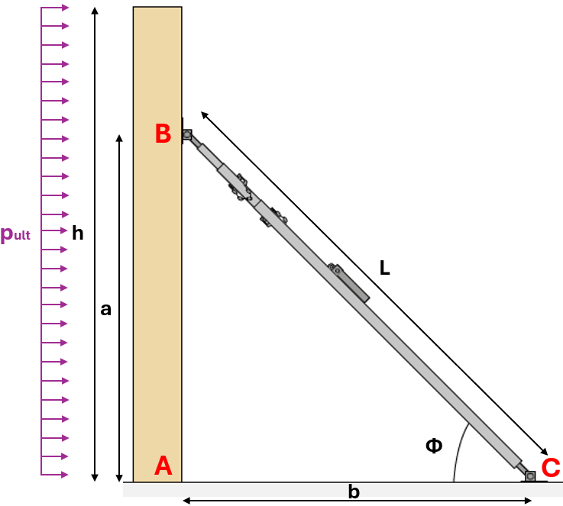

 |  |  |  |  |  |  | DATASHEET
 |  |  |  |  |  |  | GIRAFFE

GIRAFFE Design

Load |  |  | 7.50 |  | kN

Type |  |  | GIR4000
Deflection |  |  | 1750
Capacity |  |  | 29.48 |  | kN | 25%
Bottom and top plate |  |  | GIRPLATE |  |  | Pass
...
 |  |  | Shear | Axial | Combined
 |  | Load | 3.25 | 1.88
 |  | Capacity | 7.64 | 11.34
 |  | Utilisation | 42% | 17% | 21%
 |  |  | Pass | Pass | Pass

Base to | CONCRETE

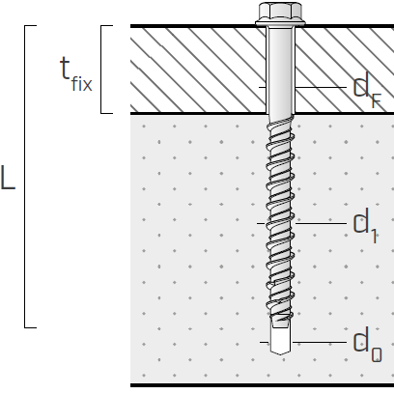
Design loads
Shear |  | Fv | 3.75 | kN
Tension |  | Fax | 6.50 | kN

Connection geometry
Screws |  | SKR
Diameter |  | d1 | 12 | mm
Length |  | L | 100 | mm
Quantity |  |  | 2 | un

Connector characteristic resistance
Shear |  | NRk,s/Rk,cp | 32.40 | kN
Axial |  | NRk,p | 8.91 | kN
Due to the various failure modes on the concrete side, a more comprehensive analysis is required. To achieve this, we recommend downloading the MYPROJECT CONCRETE ANCHOR DESIGN software and input the dimensions of the GIRPLATE or GIRPLATEL plate. Subsequently, proceed with the analysis considering the design forces.

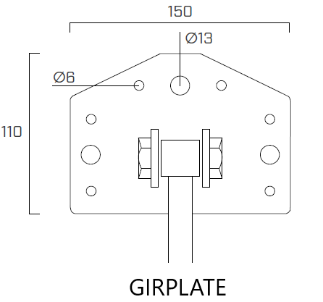
Safety factors
kmod |  |  | 0.9 | (Service class 3 and instantaneous)
γMp |  |  | 2.10 | (tension failure, cracked concrete)
γMs,Mc |  |  | 1.50 | (shear failure, cracked concrete)

Connector design resistance
Axial |  | NRd,p | 3.82 | kN
Shear |  | NRd,s/Rk,cp | 32.40 | kN
 | SOFTWARE |  | DATASHEET SKR
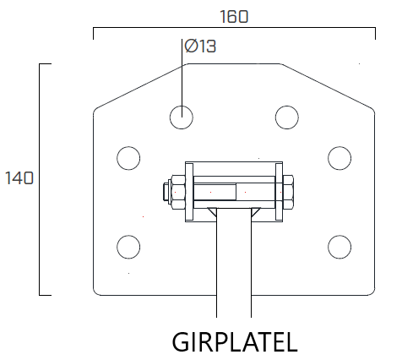
Screw verification

 |  |  | Shear | Axial | Combined
 |  | Load | 3.75 | 6.50
 |  | Capacity | 7.64 | 64.80
 |  | Utilisation | 49% | 10% | 25%
 |  |  | Pass | Pass | Pass

NOTES

The load capacities refer exclusively to the assembly support, type of fastening and angle of inclination indicated.

When fastening the bottom or top plate, the maximum permissible screwing torque of the fastenings elements must be observed.

Prerequisites for the load-bearing capacity assumption are the complete screwing of the screws and compliance with the minimum distances from the edge.

